Oracle Interview Questions
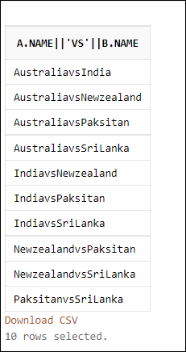
Question 1

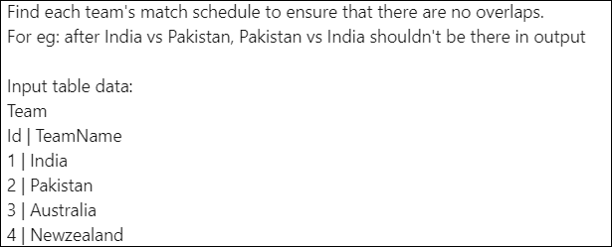

create table match(name varchar2(100));

insert into match values ('India');
insert into match values ('SriLanka');
insert into match values ('Paksitan');
insert into match values ('Australia');
insert into match values ('Newzealand');

select a.name || 'vs' || b.name from match a
inner join match b on a.name < b.name

Question 2

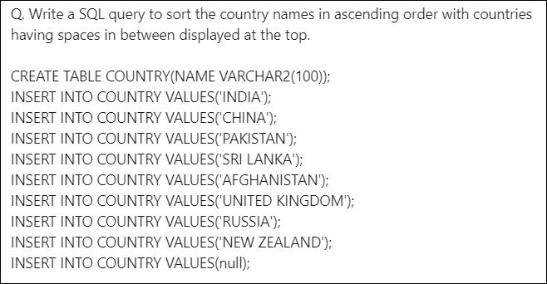

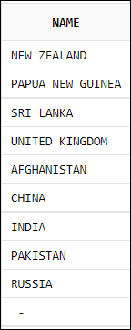

CREATE TABLE COUNTRY(NAME VARCHAR2(100));
INSERT INTO COUNTRY VALUES('INDIA');
INSERT INTO COUNTRY VALUES('CHINA');
INSERT INTO COUNTRY VALUES('PAKISTAN');
INSERT INTO COUNTRY VALUES('SRI LANKA');
INSERT INTO COUNTRY VALUES('AFGHANISTAN');
INSERT INTO COUNTRY VALUES('UNITED KINGDOM');
INSERT INTO COUNTRY VALUES('RUSSIA');
INSERT INTO COUNTRY VALUES('NEW ZEALAND');
INSERT INTO COUNTRY VALUES ('PAPUA NEW GUINEA');
INSERT INTO COUNTRY VALUES(null);

select name from
(select name, instr(name,' ')checks from country)
order by case when checks <> 0 then 1 end, name;
 | Highest Salary:
 | SELECT A.ID,A.NAME,A.SALARY
Question 3 | FROM EMP A
 | WHERE 0 = (SELECT COUNT( DISTINCT SALARY) FROM EMP B WHERE B.SALARY > A.SALARY);

 | Output:
 | ID NAME SALARY
 | 2 B 600
 | 6 F 600
Create table emp (id number, name varchar2(10),salary number);
Insert into emp values(1,'A',100); | Second Highest Salary:
Insert into emp values(2,'B',600); | SELECT A.ID,A.NAME,A.SALARY
Insert into emp values(3,'C',500); | FROM EMP A
Insert into emp values(4,'D',300); | WHERE 1 = (SELECT COUNT( DISTINCT SALARY) FROM EMP B WHERE B.SALARY > A.SALARY);
Insert into emp values(5,'E',200);
Insert into emp values(6,'F',600); | Output:
 | ID NAME SALARY
 | 3 C 500

 | Generic query to find nth highest salary:
 | SELECT A.ID,A.NAME,A.SALARY
 | FROM EMP A
 | WHERE 5-1 = (SELECT COUNT( DISTINCT SALARY) FROM EMP B WHERE B.SALARY > A.SALARY);

Question 4

create table student(id number,name varchar2(5),semester number,marks number);

insert into student values(1,'A',1,100);
insert into student values(1,'A',2,200);
insert into student values(1,'A',3,300);
insert into student values(1,'A',4,400);

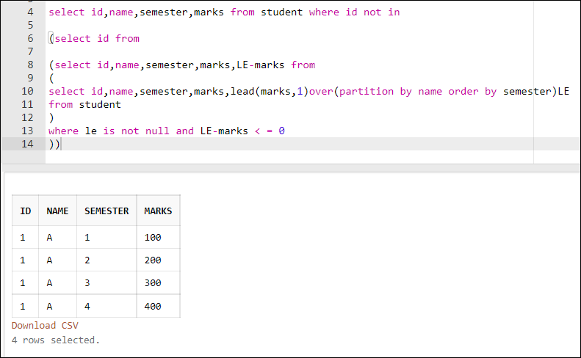
insert into student values(2,'B',1,100);
insert into student values(2,'B',2,200);
insert into student values(2,'B',3,300);
insert into student values(2,'B',4,250);

insert into student values(3,'C',1,100);
insert into student values(3,'C',2,200);
insert into student values(3,'C',3,100);
insert into student values(3,'C',4,400);

insert into student values(4,'D',1,100);
insert into student values(4,'D',2,200);
insert into student values(4,'D',3,200);
insert into student values(4,'D',4,400);

select id,name,semester,marks from student where id not in

(select id from

(select id,name,semester,marks,LE-marks from
(
select id,name,semester,marks,lead(marks,1)over(partition by name order by semester)LE
from student
)
where le is not null and LE-marks < = 0
))

Question 5

create table int_score (stu_id number,sub_id number, marks number);

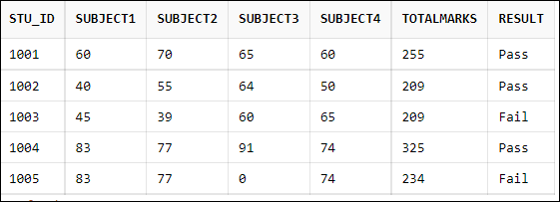
insert into int_score values (1001,1,60);
insert into int_score values (1001,2,70);
insert into int_score values (1001,3,65);
insert into int_score values (1001,4,60);
insert into int_score values (1002,1,40);
insert into int_score values (1002,2,55);
insert into int_score values (1002,3,64);
insert into int_score values (1002,4,50);
insert into int_score values (1003,1,45);
insert into int_score values (1003,2,39);
insert into int_score values (1003,3,60);
insert into int_score values (1003,4,65);
insert into int_score values (1004,1,83);
insert into int_score values (1004,2,77);
insert into int_score values (1004,3,91);
insert into int_score values (1004,4,74);
insert into int_score values (1005,1,83);
insert into int_score values (1005,2,77);
insert into int_score values (1005,4,74);

select stu_id,
sum(case when sub_id=1 then marks else 0 end) as Subject1,
sum(case when sub_id=2 then marks else 0 end) as Subject2,
sum(case when sub_id=3 then marks else 0 end) as Subject3,
sum(case when sub_id=4 then marks else 0 end) as Subject4,
sum(marks) as TotalMarks,
case when (min(marks)>=40 and sum(marks)>=200 and count(marks)=4) then 'Pass' else 'Fail' end as Result
from int_score
group by stu_id order by 1;

Question 6

write a SQL query to find the biggest number, which only appears once.

create table test (id number);

insert into test values (8);
insert into test values (8);
insert into test values (3);
insert into test values (3);
insert into test values (1);
insert into test values (4);
insert into test values (5);
insert into test values (6);

select max(id) from
(
select id,count(*)tst from test
group by id)
where tst = 1;

Question 7
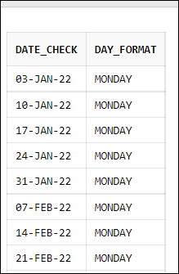
Write a SQL to print all Monday dates of 2022.

with src as
(
select date_check,to_char(date_check,'DAY') as DAY_Format from
(
select
to_date('31-DEC-2021','DD-MON-YYYY') + level as date_check
from dual
connect by level <= 366
)
)
select * from src
where DAY_Format like 'MON%'

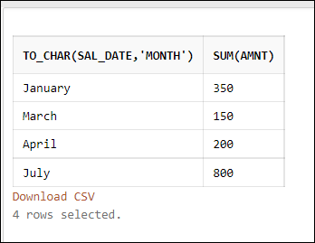
Question 8

Write a SQL query to find monthly report

create table sal_rep (sal_date date,amnt number)

insert into sal_rep values ('01-Jan-21',100);
insert into sal_rep values ('05-Jan-21',250);
insert into sal_rep values ('01-Mar-21',150);
insert into sal_rep values ('01-Apr-21',200);
insert into sal_rep values ('01-Jul-21',700);
insert into sal_rep values ('03-Jul-21',100);

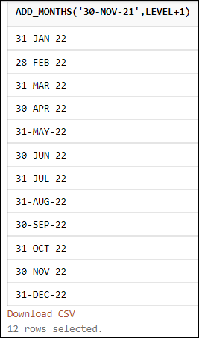
select to_char(sal_date,'Month'),sum(amnt) from sal_rep
group by to_char(sal_date,'Month')

Question 9

How to print 12 months end date for the current year

select add_months('30-NOV-21',level+1)
from dual
connect by level <= 12;

Question 10

Print the count of positive and negative numbers

create table temp (id number)

insert into temp values (5);
insert into temp values (6);
insert into temp values (7);
insert into temp values (-2);
insert into temp values (-3);
insert into temp values (3);

select * from temp;

select
count(case when id > 0 then id end) "Count_of_Postive_data",
count(case when id < 0 then id end) "Count_of_Negative_data"
from temp

Question 11

Write a SQL query to fetch the empname those who were vaccinated last year but got infected next year

create table emp(empname varchar2(10),Location varchar2(20),Year number,vaccination varchar2(10),Infected varchar2(10));

insert into emp values('A','Delhi',2020,'No','No');
insert into emp values('A','Delhi',2021,'Yes','Yes');
insert into emp values('A','Delhi',2022,'Yes','No');
insert into emp values('B','Delhi',2020,'No','Yes');
insert into emp values('B','Delhi',2021,'Yes','No');
insert into emp values('B','Delhi',2022,'Yes','Yes');
insert into emp values('C','Bangalore',2020,'Yes','Yes');
insert into emp values('C','Bangalore',2021,'No','No');
insert into emp values('C','Bangalore',2022,'Yes','Yes');
insert into emp values('D','Bangalore',2020,'Yes','No');
insert into emp values('D','Bangalore',2021,'Yes','Yes');
insert into emp values('D','Bangalore',2022,'Yes','No');

select EMPNAME,vaccination,infected_plus from
(select EMPNAME,year,vaccination,Infected,lead(Infected,1)over(partition by EMPNAME order by year) infected_plus
from emp
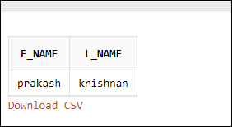
)
where vaccination = 'Yes' and infected_plus = 'Yes'

Question 12

Separate First Name & Last Name

select
substr('prakash krishnan',1,instr('prakash krishnan',' ',1)-1) as f_name,
substr('prakash krishnan', (instr('prakash krishnan',' ',1)+1),length('prakash krishnan') - instr('prakash krishnan',' ',1)+1) as l_Name
from dual

Question 13
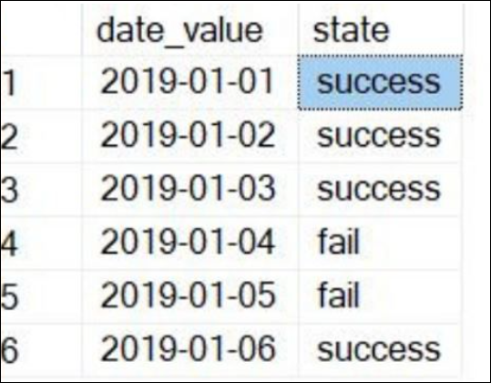

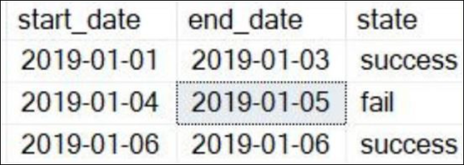

create table temps(date_val date, status varchar2(300));

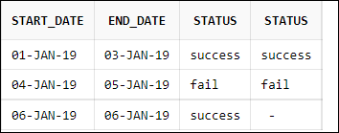
insert into temps values ('01-JAN-19','success');
insert into temps values ('02-JAN-19','success');
insert into temps values ('03-JAN-19','success');
insert into temps values ('04-JAN-19','fail');
insert into temps values ('05-JAN-19','fail');
insert into temps values ('06-JAN-19','success');

Option 1

with src as(
select min(date_val)start_date,status,lead from (
select date_val,status,lead(status,1)over(order by date_val)lead
from temps
)group by status,lead order by min(date_val)
)

select a.start_date,nvl(b.start_date,a.start_date)as end_date,a.status,b.status
from src a
left join src b on a.status = b.status and a.status <> b.lead and a.lead <> b.lead
where a.status = nvl(a.lead,a.status)
order by 1,2

Option 2

select start_date,end_date,status from
(select min(date_val)start_date,max(date_val)end_date,status,bb_cc from
(select
a.*,
row_number() over (order by date_val) - row_number()over(partition by status order by date_val) as bb_cc
from temps a)
group by status,bb_cc)
order by 1

Question 14

create table aa (id varchar2(19));

insert into aa values ('1');
insert into aa values (null);
insert into aa values (null);

create table bb (id varchar2(19));

insert into bb values ('1');
insert into bb values ('1');
insert into bb values (null);

select aa.id,bb.id from aa inner join bb on aa.id=bb.id -- 2

select aa.id,bb.id from aa left outer join bb on aa.id=bb.id -- 4

select aa.id,bb.id from aa right outer join bb on aa.id=bb.id -- 3

select aa.id,bb.id from aa full outer join bb on aa.id=bb.id -- 5

create table aa (id varchar2(19));

insert into aa values ('1');
insert into aa values (null);
insert into aa values (null);
insert into aa values ('2');
insert into aa values (null);

create table bb (id varchar2(19));

insert into bb values ('1');
insert into bb values ('1');
insert into bb values (null);
insert into bb values (null);
insert into bb values ('3');

select aa.id,bb.id from aa inner join bb on aa.id=bb.id -- 2

select aa.id,bb.id from aa left outer join bb on aa.id=bb.id -- 6

select aa.id,bb.id from aa right outer join bb on aa.id=bb.id -- 5

select aa.id,bb.id from aa full outer join bb on aa.id=bb.id -- 9

Multiple Insert
